Insert Statement
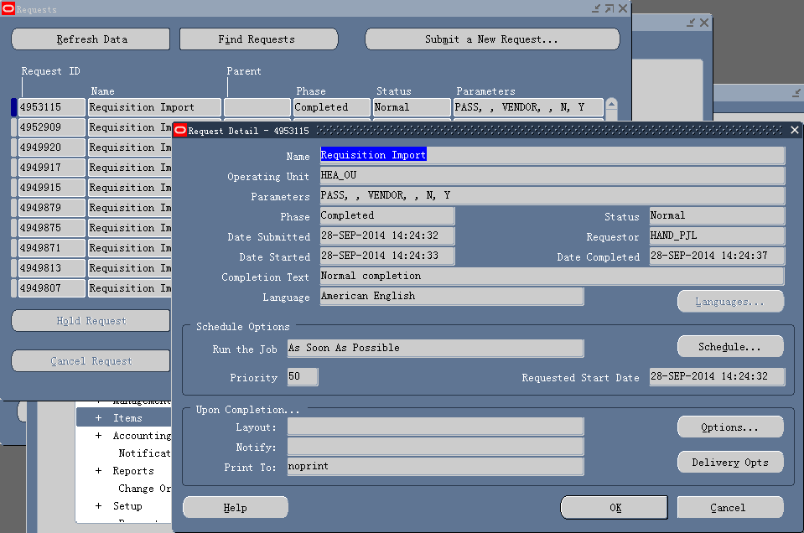
INSERT INTO po_requisitions_interface_all | batch_id =2
(interface_source_code,
batch_id,
transaction_id,
org_id,
destination_type_code,
authorization_status,
preparer_id,
source_type_code,
unit_of_measure,
line_type_id,
item_id,
unit_price,
quantity,
destination_organization_id,
deliver_to_location_id,
deliver_to_requestor_id,
multi_distributions,
req_dist_sequence_id,
need_by_date)
VALUES
('PASS', --Interface Source
2,-- 1, -- batch_id
po_requisitions_interface_s.nextval, -- transaction_id
82, --Operating Unit
'INVENTORY', --Destination Type
'INCOMPLETE', --Status
2480, --This comes from per_people_f.person_id
'VENDOR', --Source Type
'ea', --UOM
1, --Line Type of Goods | Output
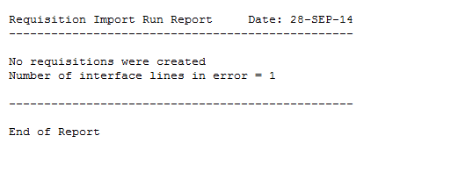
258362, -- Item id
21, --Price
10, --quantity
83, --dcg
142, --deliver to location id
2480, --This is the Deliver to Requestor
'Y',
po_req_dist_interface_s.nextval,
SYSDATE + 10);
/*VALUES
('PASS', --Interface Source
1, -- batch_id
po_requisitions_interface_s.nextval, -- transaction_id
204, --Operating Unit
'EXPENSE', --Destination Type
'INCOMPLETE', --Status | batch_id =3
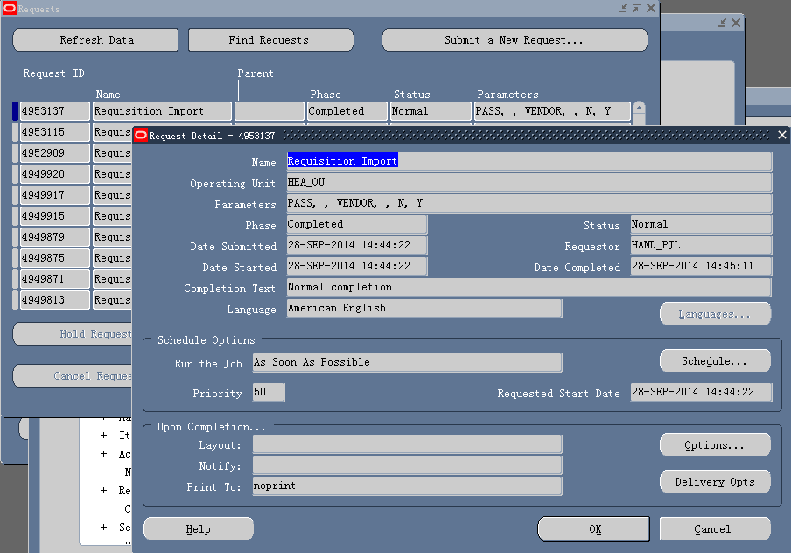
25, --This comes from per_people_f.person_id
'VENDOR', --Source Type
'Each', --UOM
1, --Line Type of Goods
162744, -- Item id
10, --Price
10, --quantity
204, --dcg
204, --deliver to location id
25, --This is the Deliver to Requestor
'Y',
po_req_dist_interface_s.nextval,
SYSDATE + 10);*/

INSERT INTO po_req_dist_interface_all
(interface_source_code,
batch_id, --
transaction_id,
charge_account_id,
distribution_number,
dist_sequence_id,
quantity)
VALUES
('PASS', --
2,--1,
po_requisitions_interface_s.currval,
1009,
1,
po_req_dist_interface_s.currval,
5); | Output
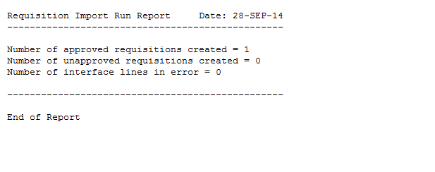
INSERT INTO po_req_dist_interface_all
(interface_source_code, --
batch_id,
transaction_id,
charge_account_id,
distribution_number,
dist_sequence_id,
quantity)
VALUES
('PASS', --
2,--1,
po_requisitions_interface_s.currval,
1009,
2,
po_req_dist_interface_s.currval,
5);

